Recuirement
Bins and palates
Sl.No. | Bin type | Size | Colour | Qty | Image | Description | Remark
1 | Dust bin | 60 L | Blue | 31
2 | Rejection bin | 305x190x190 (All dimensions in mm) | Red | 11 | 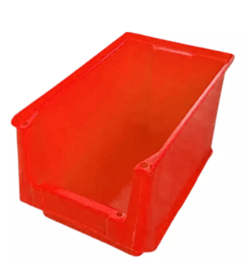
 |  | 235x150x125 (All dimensions in mm) | Red | 2
3 | Palate | 2320x1150x115 (All dimensions in mm) | Yellow | 2 | NA | L x W x H | Rework
 |  |  | Red | 2 |  |  | Scrap
 |  |  | Green | 2 |  |  | After rework
4 | RM storage bin | 305x190x190 (All dimensions in mm) | Green | 5 | 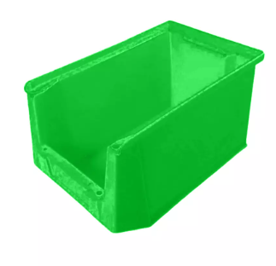
 |  | 235x150x125 (All dimensions in mm) |  | 1
 |  | 500x325x200 (All dimensions in mm) |  | 2
5 | Suspected | 305x190x190 (All dimensions in mm) | Yellow | 4 | 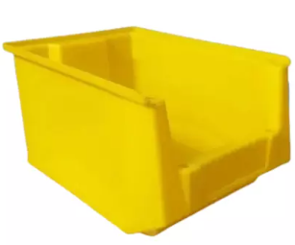
Cleaning equipment
Sl.No. | Equipment | Size | Colour | Qty | Image | Description | Remark
6 | Short duster | 120x30 (All dimensions in mm) | NA | 12 | 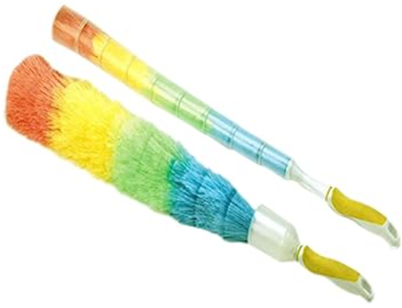
7 | Long duster | 432x48x38 (All dimensions in mm) | NA | 8 | 
8 | Collin | 500ml | NA | 6 |  |  | Manual calculation
9 | IP | 500ml | NA | 4
10 | Brush | Big size | NA | 6
11 | Tooth brush | 7 mm | NA | 6

Acrylic
Item / size | Image | Description
A4 acrilyc Pouch |  | Infomate A4 Paper Magnetic Display Pocket File Folder, 32.5 cmx24.2 cmx0.5 cm (Pack of 3 Folders Assorted Colors)
Cold lamination sheet | 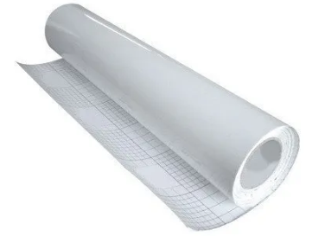 | 80, 100, 125 microns 50 mtrs (Tranferent)
Adhesive hooks | 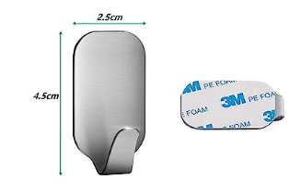 | 4.5x2.5 cm
Transferent polythen roll | 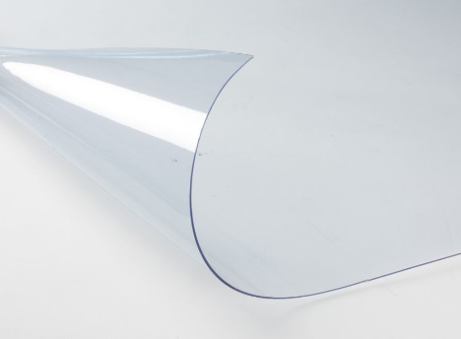 | width of 1370mm and thickness of 1 mm

